Solver1
 | Cable | ? |  | Cable + Phone |  | ??
 | Phone | ? |  | Cable + Internet |  | ??
 | Internet | ? |  | Phone + Internet |  | ??

 |  |  |  | Trial prices (Enter these in cell E12 to K12)
 |  |  |  | 50 | 70 | 60 | 150 | 120 | 130 | 190

 |  |  | Prod | 1 | 2 | 3 | 4 | 5 | 6 | 7
 |  |  | Prices |  |  |  |  |  |  |  |  |  | 0
 | Cable | Phone | Internet | Cable | Phone | Internet | Cable + Phone | Cable + Internet | Phone + Internet | All | Max Surp | Prod. Bought | Reven. |  |  | Prod. | Freq.
P1 | 30 | 60 | 40 | 30 | 60 | 40 | 90 | 70 | 100 | 130 |  |  |  |  |  | 0 | 0
P2 | 25 | 50 | 50 |  |  |  | 75 | 75 | 100 | 125 |  |  |  |  |  | 1 | 0
P3 | 40 | 80 | 0 |  |  |  | 120 | 40 | 80 | 120 |  |  |  |  |  | 2 | 0
P4 | 0 | 50 | 40 |  |  |  | 50 | 40 | 90 | 90 |  |  |  |  |  | 3 | 0
P5 | 50 | 0 | 0 |  |  |  | 50 | 50 | 0 | 50 |  |  |  |  |  | 4 | 0
P6 | 30 | 25 | 40 |  |  |  | 55 | 70 | 65 | 95 |  |  |  |  |  | 5 | 0
P7 | 60 | 50 | 80 |  |  |  | 110 | 140 | 130 | 190 |  |  |  |  |  | 6 | 0
P8 | 40 | 50 | 0 |  |  |  | 90 | 40 | 50 | 90 |  |  |  |  |  | 7 | 0
P9 | 40 | 30 | 60 |  |  |  | 70 | 100 | 90 | 130
P10 | 50 | 25 | 50 |  |  |  | 75 | 100 | 75 | 125 |  |  |  | Penalty | Dev | penalty
P11 | 0 | 40 | 80 |  |  |  | 40 | 80 | 120 | 120 |  |  |  | Cable - (Cable + Phone) | 0 | 0
P12 | 40 | 0 | 60 |  |  |  | 40 | 100 | 60 | 100 |  |  |  | Cable - (Cable +Internet) | 0 | 0
P13 | 0 | 50 | 70 |  |  |  | 50 | 70 | 120 | 120 |  |  |  | Cable - All | 0 | 0
P14 | 60 | 50 | 80 |  |  |  | 110 | 140 | 130 | 190 |  |  |  | (Cable + Phone) - All | 0 | 0
P15 | 50 | 30 | 0 |  |  |  | 80 | 50 | 30 | 80 |  |  |  | (Cable +Internet) - All | 0 | 0
P16 | 80 | 60 | 60 |  |  |  | 140 | 140 | 120 | 200 |  |  |  | Phone - (Phone + Internet) | 0 | 0
P17 | 50 | 40 | 50 |  |  |  | 90 | 100 | 90 | 140 |  |  |  | Phone - (Phone + Cable) | 0 | 0
P18 | 0 | 40 | 80 |  |  |  | 40 | 80 | 120 | 120 |  |  |  | Phone - All | 0 | 0
P19 | 25 | 50 | 60 |  |  |  | 75 | 85 | 110 | 135 |  |  |  | (Phone + Internet) - All | 0 | 0
P20 | 50 | 0 | 70 |  |  |  | 50 | 120 | 70 | 120 |  |  |  | Internet - (Cable + Internet) | 0 | 0
 |  |  |  |  |  |  |  |  |  |  |  |  |  | Internet - (Phone + Internet) | 0 | 0
 |  |  |  |  |  |  |  |  |  |  |  |  |  | Internet - All | 0 | 0
 |  |  |  |  |  |  |  |  |  |  |  |  |  |  |  | 0

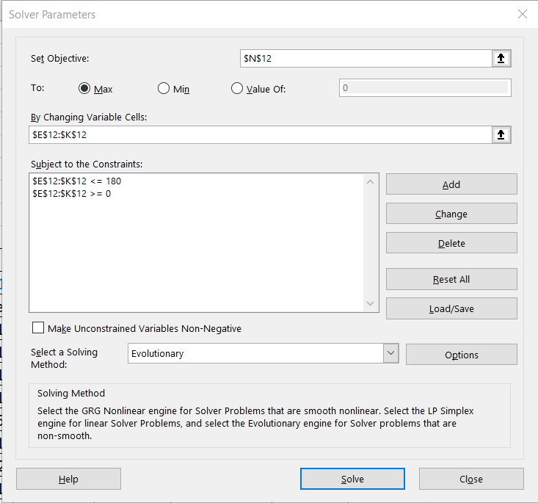

Formula in L14

Formula in M14

Formula in N14

Formula in E14

 | For Penalty

